Sheet1
mean ppt: | 2900 | mm
roll no: | 48

Koshi

catchment area: | 2113.612 | km2

Intake: | 27°55'35.72"N | 85°56'4.90"E
Powerhouse | 27°46'0.58"N | 85°52'44.19"E

HYDROGRAPH OF BHOTEKOSHI

discharge:
Month | c | a1 | a2 | unit | riparian q | Actual Discharge Taken | mean monthly flow
January | 0.03117 | 0.8644 | 0 | m3/s | 1.8720887831 | 21.456509367 | 23.32859815
February | 0.02417 | 0.8752 | 0 | m3/s | 1.8720887831 | 17.77683478 | 19.648923563
March | 0.02053 | 0.8902 | 0 | m3/s | 1.8720887831 | 16.848799048 | 18.720887831
April | 0.01783 | 0.9558 | 0 | m3/s | 1.8720887831 | 24.994374066 | 26.866462849
May | 0.01193 | 0.9657 | 0 | m3/s | 1.8720887831 | 17.519676374 | 19.391765157
June | 0.01135 | 0.9466 | 0.2402 | m3/s | 1.8720887831 | 52.578067579 | 108.176463
July | 0.01641 | 0.9216 | 0.3534 | m3/s | 1.8720887831 | 52.578067579 | 318.46618006
August | 0.02592 | 0.9095 | 0.3242 | m3/s | 1.8720887831 | 52.578067579 | 363.29122463
September | 0.02206 | 0.8963 | 0.3217 | m3/s | 1.8720887831 | 52.578067579 | 273.95491087
October | 0.01504 | 0.8772 | 0.2848 | m3/s | 1.8720887831 | 52.578067579 | 120.24054869
Flow Exceedence Curve
November | 0.00792 | 0.8804 | 0.2707 | m3/s | 1.8720887831 | 52.578067579 | 57.989393129
December | 0.00538 | 0.889 | 0.258 | m3/s | 1.8720887831 | 36.14933892 | 38.021427703

flow duration
Dependent Variable | B | A | C | Q
Maximum flow(Q0) | 0.812 | 0.5337 | 0.0614105 | 2167.9285305 | m3/s
25% exceedance | 0.9279 | 0.2986 | 0.0124336 | 163.59117739 | m3/s
45% exceedance | 0.9239 | 0.2018 | 0.0089146 | 52.578067579 | m3/s
65% exceedance | 0.9044 | 0 | 0.0248313 | 25.243659145 | m3/s
85% exceedance | 0.9256 | 0 | 0.0144905 | 17.327134932 | m3/s
95% exceedance | 0.9531 | 0 | 0.0086449 | 12.759732064 | m3/s
Minimum flow | 1.1689 | 0 | 0.0007382 | 5.6858588503 | m3/s
design discharge
Q45 | 52.578067579 | m3/s
driest month Mar Q | 18.720887831 | m3/s
riparian Q | 1.8720887831 | m3/s
Head: | 558 | m
Net Head | 530.1 | m
Power Input | 273420.72585 | kW
Electrical Power O/P | 238696.29366 | KW

Monthly Power and | Monthly Energy

Month | mean monthly flow(m3/s) | Design Discharge(m3/s) | Power (MW) | Monthly Energy Generation(Gwh) | no of days in month
January | 23.32859815 | 21.456509367 | 97.409233485 | 72.472469713 | 31
February | 19.648923563 | 17.77683478 | 80.704080056 | 55.201590759 | 28.5
March | 18.720887831 | 16.848799048 | 76.490941388 | 56.909260392 | 31
April | 26.866462849 | 24.994374066 | 113.47059195 | 81.698826207 | 30
May | 19.391765157 | 17.519676374 | 79.536620673 | 59.175245781 | 31
June | 108.176463 | 52.578067579 | 238.69629366 | 171.86133144 | 30
July | 318.46618006 | 52.578067579 | 238.69629366 | 177.59004249 | 31
August | 363.29122463 | 52.578067579 | 238.69629366 | 177.59004249 | 31
Septrmber | 273.95491087 | 52.578067579 | 238.69629366 | 171.86133144 | 30
October | 120.24054869 | 52.578067579 | 238.69629366 | 177.59004249 | 31
November | 57.989393129 | 52.578067579 | 238.69629366 | 171.86133144 | 30
December | 38.021427703 | 36.14933892 | 164.11240686 | 122.09963071 | 31
 |  |  | Total Gwh | 1495.9111453
 |  |  | After 5%outage | 1421.1155881
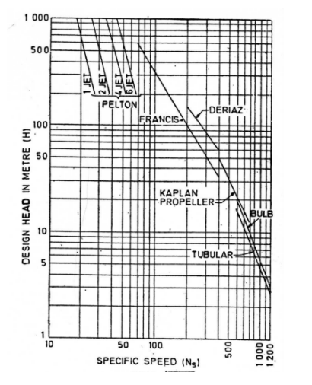
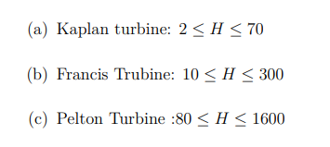
no of unit | 5
discharge per turbine(Q45) | 10.515613516
MW per unit | 47739.258733 | 47.739258733 | 56.163833803
assumed pf | 0.85 |  | 280.81916902
Turbine Type | Pelton(2 jet)
specific speed(Ns) | 30
conversion factor | 1341.0220781
Power per unit(HP) | 64019.399953
Synchronous speed | 301.58706471
no of pole | 20
plant factor | 0.68908053961
Emax | 2062.3359772

pelton dimnesion:
Cv | 0.97
jet velocity | 98.923651296
Ku | 0.45
Runner dia | 2.9062273446
jet diameter | 0.26014009859
m | 11.17177767 | 11
no of bucket | 20.585888835 | 21
bucket breadth | 1.0405603944
buck length | 0.65035024648
bucker radial | 0.26014009859

Genrator Design | 52.513184606 | 61.780217183
11kv

